MODEL
Matériaux
Traitement
Flux Transport
 | Infos sur box power : BOM + connecteurs + carte, packaging?
 | Ref câbles et connecteur?
 | Pour les emballages, pro-rata des matières?
 | Nombre de réutilisation des emballages navette?

ENS STR FAUTEUIL
Emballage
Camion

ENS COQUE
Emballage
Train
Flux énergie
Emballage
ENS TETIERE
Avion
Papier
Gaz
...
Emballage

Flux Matière
Elec

SIEGE OPERA

Flux Information

Mémoire/
stockage

Flux Fin de vie
Chutes
Données pour 40 fauteuils --> diviser per 4?
Où sont les serveurs?
Est-ce que la donnée est dupliquée ou est transférée?
Partie BE?
 |  |  |  | Valorisation ou scrap?

Emballages jetables + navettes fin de vie

 |  |  |  | Valorisation ou scrap?

Flux Transport
Maintenance
 |  |  |  | Valorisation ou scrap?
Flux d'utilisation
SIEGE OPERA
Livraison
 |  |  |  | Deux scenarii : seconde main ou décharge
Maintenance
 |  | 100% FAL HAMBOURG | 1 changement des joncs + cover => correspond à quoi?

Kérosène
 |  |  | Puissance fauteuil = 75w (6h de vol) => combien de vols sur 7 ans?, faut-il considérer la conso passive (due à la masse embarquée)?

NIDA
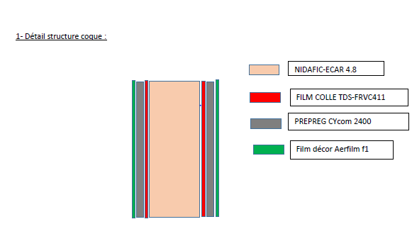
SDS AIRDEC F1?

 | % massique | SDS | TDS | Composition |  |  | GaBi
NIDAFIC ECAR | 20% | NOK | OK | x% Aramid fibre - y% Phenolic resin | 48kg/m3 | 12mm épaisseur | 50% EU28: Phenolic adhesive modified with nitrile rubber 50% EU28: PA6.6 fibres
Film colle TSS FRVC 411 | 8% | NOK | NOK | flame retardant epoxy resin system |  |  | RER: Epoxy resin
Prepreg Cycom 2400 | 60% | OK | OK | 40-70% Fibre verre 10-30%Résine phénolique 1-5% phenol 1-5% ethanol 1-5% 2,2',6,6'-tétrabromo-4,4'- isopropylidenediphénol 0-1% Isopropanol 1-5% formaldéhyde | densité 1,9 |  | 60% DE: Glass fibres 30%EU28: Phenolic adhesive modified with nitrile rubber 3% EU28: Phenol 3% DE: ethanol 1% DE: isopropanol 3%EU28: formaldehyde (100%)
Aerfilm F1 | 12% | NOK | Aerfilm | Papier laminé |  |  | EU25: Graphic paper

 |  | 0.14634146341

Kydex
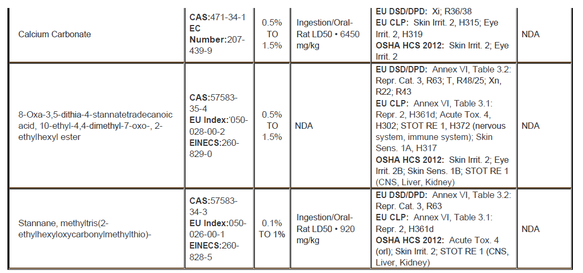
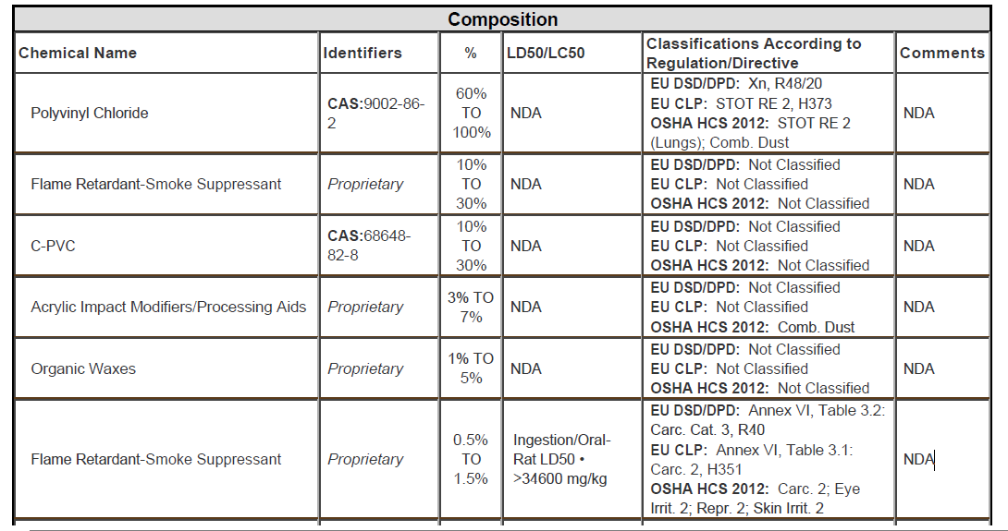

PVC
Carbonate calcium

